Sheet1
 |  | Document No. | Issue No. | Issue Date |  | Review and Replace Date |  | Authorised By
 |  | GFF247MC | 2 | 02.12.2020 |  | 22.02.2021
 |  | Document Title | 20 Chicken Tikka Samosa 500G
 |  |  |  |  |  |  |  | Magda Shah
Document amendments reason for change |  | Shelf life updated | Page 1 of 1 |  | Previous Issue Date |  | 02.12.2020 | Uncontrolled copy unless signed original

CCSAC-B20X4T | GAZEBO-BOOKER |  | 20 Chicken Tikka Samosa 500G
STEP 1 |  |  |  |  | STEP 2
 |  |  |  |  | 

Tray: H3H 50 - CLEAR (PKNUT001-07) |  |  |  |  | Chicken Tikka Samosa Cocktail 25g (GFF004R): 20 Pieces (500G)
Film: PP410AF (PKPRO001-10)
STEP 3
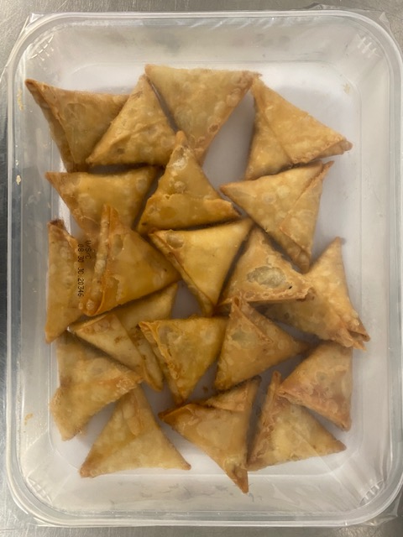

TOTAL WEIGHT: 500G

ALLERGY ALERT: WHEAT, SOYA

